Sheet1
Texts assessed
Text | Role | Word count used for target penalties
Hamilton & Wang | Expert reference translation / ERT | 1,311
run2_20260505_131601.txt | non-enhanced LLM translation / run2 | 1,208
ragrun2_20260505_131601.txt | RAG-enhanced LLM translation / ragrun2 | 1,206
1. Error Tabulation
1.1 Source-text deficiency / expert-remedy items
ID | Sub-parameter | ERT | run2 | ragrun2
CG2-301 | CR-2 | No error. ERT normalizes source’s mistaken 北斗星/北辰 issue as North Star consistently. | No error. Uses North Star in citation and explanation. | No error. Uses North Star consistently.
CG2-302 | CL-B10 | No error. ERT adds in-text gloss of the five relationships: monarch-subject, father-son, husband-wife, elder-younger brothers, friends. | Error. Translates “the five relationships” without the required explanatory in-text gloss. | Error. Same omission: “the five relations” lacks the explanatory list.
CG2-303 | CR-1; CR-3; CL-B10 | No error. ERT recognizes metalinguistic wordplay, uses renlun, lun, and explanatory glossing. | Partial but no count. Uses lun, glosses human relationships, ripple/order, and Pan’s component argument. However, it renders “人伦” as human relationships (lun) rather than renlun (human relationships). Since CG2-402 below captures this locus, I do not double-count here. | No error / acceptable. Uses renlun—human relations; explains lun and the shared component argument.
CG2-304 | CR-1; CL-B10 | No error. ERT adds “One of his disciples, Zigong…”. | Error. Gives “Zigong said” without identifying him as Confucius’s disciple. | Error. Same omission: “Zigong said” without disciple gloss.
CG2-305 | CL-B9 | Error. ERT does not identify the source of Mencius citation as Mencius, “Liang Hui Wang I”; codebook marks not remedied. | Error. “Mencius said…” but no bibliographic/source-text identification. | Error. Same: “Mencius said…” without precise classical source.
1.2 Concept Representation — theoretical terms, culture-specific items, proper names
ID | Sub-parameter | ERT | run2 | ragrun2
CG2-401 伦 | CR-1; CR-2; CR-6 | No error. Uses lun with glosses. | No error. Uses lun and explains differentiated ripple sequence. | No error. Uses lun and explains differential ordering.
CG2-402 人伦 | CR-1; CR-6 | No error. renlun (human relationships). | Error. Renders as human relationships (lun), not renlun; under-recognizes the compound as a metalinguistic designation. | No error. Uses renlun—human relations.
CG2-403 差序 | CR-1; CR-2; CR-3 | Error. Codebook marks ERT rendering “discrete circles” / “differential mode of association” as fail for standalone 差序; desirable: differential order / differential ranking. | Error. Uses “differentiated sequence” and later “differential gradations”; acceptable in sense, but not consistently aligned with the preferred differential order/ranking and risks collapsing 差序 into ripple-sequence imagery rather than the ordering principle. | No error / acceptable. Uses “differential ordering,” “differential order,” and “hierarchy of the differential order.”
CG2-404 差序格局 | CR-1; CR-2 | No error. differential mode of association (chaxugeju). | No error. Uses “differential mode of association.” | No error. Uses “differential mode of association.”
CG2-405 推 / 推己及人 | CR-1; CR-2; CR-3 | No error. Uses tui plus “pushing or extending out.” | No error. Uses “extend” (tui) and maintains outward extension. | Error. Uses “extend” without pinyin tui at the first metalinguistic introduction; loses the term’s status as a key conceptual operator.
CG2-406 克己 / 克己复礼 | CR-1; CR-2; CR-3 | No error. “control oneself and conform to rituals,” “self-restraint.” | No error. “restrained by ritual propriety,” “subduing the self.” | No error. “subdued by ritual propriety,” “subduing the self.”
CG2-407 修身 | CR-1; CR-5 | No error. “cultivates moral character.” | No error. “self-cultivation.” | No error. “self-cultivation.”
CG2-408 天下 | CR-1; CR-2; CR-6 | No error. “whole world (tianxia)” / “everyone under the sun.” | No error. “all under Heaven,” culturally acceptable. | No error. “all under Heaven,” culturally acceptable.
CG2-409 天下之达道 | CR-1; CR-2 | No error. Codebook accepts ERT “passages to the world (tianxia zhi dadao).” | No error. “the universal Way under Heaven” is culturally informed and preferable to literalism. | No error. Same: “the universal Way under Heaven.”
CG2-410 自我主义 | CR-1; CR-2; CR-3 | No error. egocentrism. | No error. Uses egocentrism consistently. | Error. Uses egoism, not the codebook-preferred egocentrism; also weakens the contrast with individualism.
CG2-411 个人主义 | CR-1; CR-2; CR-3 | No error. individualism. | No error. Uses individualism. | No error. Uses individualism.
CG2-412 平等观念 | CR-1; CR-2; CR-3 | No error. “concept of equality.” | No error. “notion of equality,” symmetrical with “notion of constitutionalism.” | No error. “idea of equality,” symmetrical with “idea of constitutionalism.”
CG2-413 宪法观念 | CR-1; CR-2; CR-3 | No error. “concept of constitutionality.” | No error. “notion of constitutionalism.” Slightly less close than constitutionality, but conceptually acceptable and symmetrical. | No error. “idea of constitutionalism,” acceptable and symmetrical.
CG2-414 仁 | CR-1; CR-2 | No error. “benevolent (ren)” / benevolence. | No error. “humane,” “humaneness”; culturally acceptable. | No error. “humane,” “humanity”; acceptable, though “humanity” is less precise than “humaneness.”
CG2-415 圣 | CR-1 | No error. “sage.” | No error. “sage.” | No error. “sage.”
CG2-416 君子 / 小人 | CR-1; CR-2; CR-3 | No error. “superior man / petty man.” | No error. “gentleman / petty person,” symmetrical enough. | No error. “gentleman / petty man,” symmetrical enough.
CG2-417 伦也，水文相次有伦理也 | CR-1; CR-5 | No error. “lun is defined as ‘the order existing in ripples of water.’” | No error. “Lun means order; the patterns of water follow one another and thus possess lunli.” Preserves metalinguistic character. | Error. “patterns of water follow one another and have order” omits/neutralizes lunli and weakens the wordplay among 伦/沦/伦理.
CG2-418 不失其伦 | CR-1; CR-5 | No error. “Everyone should stay in his place (bu shi qi lun).” | No error. “Not losing one’s lun,” with explanation. | No error. Same.
CG2-419 此其不可得与民变革者也 | CR-1; CR-5 | No error. “these are things that people cannot alter.” | No error. “things that cannot be altered among the people” is acceptable. | Error. “cannot be changed together with the people” is awkward and misleading; suggests co-change with the people rather than invariability of the framework.
CG2-420 十伦 | CR-1; CR-5 | No error. “ten relationships” plus discontinuous classification. | No error. “ten lun” and subsequent “distinctions of degree” explicitly conveys graded order. | No error. “ten lun” and “gradations” conveys graded order.
CG2-421 能近取譬 | CR-1; CR-5 | No error. “judge of others by what is nigh in himself.” | No error. “take what is near at hand as an analogy” is acceptable. | No error. Same.
CG2-422 中庸 | CR-1; CR-5 | No error. Doctrine of the Mean (Zhongyong). | No error. Doctrine of the Mean. | No error. Doctrine of the Mean.
CG2-423 天国 | CR-1; CR-5 | No error. Heaven. | No error. Kingdom of Heaven. | No error. Kingdom of Heaven.
CG2-424 墨翟 | CR-1 | Error. Omitted in ERT. | No error. “China’s Mo Di.” | No error. “Mo Di in China.”
1.3 Concept Logic Layer B-1 — figures of argument
ID | Sub-parameter | ERT | run2 | ragrun2
CG2-518 一圈圈推出去，愈推愈远，也愈推愈薄 | CL-B1 | No error. Preserves parallelism and avoids literal “thinner.” | No error. “the farther they extend, the more attenuated they become” preserves gradation and avoids physical “thinner.” | Error. “the more distant and the thinner they become” literalizes 薄 as physical thinness and weakens the social-relational analogy.
CG2-519 十-item paired sequence | CL-B1 | No error. Ten pairings retained in parallel form. | Partial error. Lists all ten, but some pairings are weakened: “affairs of government” is not paired, and “spirits and gods” differs from the source’s 鬼神 pairing. The main issue is loss of consistent paired parallelism. | Partial error. Lists all ten, but “political affairs” is not paired and “spirits and men” misreads 鬼神; parallel pairing weakened.
CG2-520 亲亲也，尊尊也，长长也 | CL-B1; CL-B2 | No error. Preserves triadic parallelism and repetition. | No error. “Loving one’s kin as kin, honoring the honorable, treating elders as elders” preserves repetition and parallelism. | No error. “Loving one’s kin as kin, honoring the honorable, respecting elders as elders” preserves the structure.
CG2-521 具体的社会关系 vs 抽象的相对地位 | CL-B3 | No error. Concrete vs abstract antithesis preserved. | No error. “concrete social relations” vs “abstract relative positions.” | No error. Same.
CG2-522 从己到家，由家到国，由国到天下 | CL-B1 | No error. “from X to Y” chain preserved. | No error. Preserves chain: “from the self to the family, from the family to the state…” | No error. Same.
CG2-523 己欲立而立人，己欲达而达人 | CL-B1; CL-B2 | No error. Parallel structure preserved. | No error. “wishing to establish himself, he establishes others; wishing to achieve for himself, he helps others achieve.” | No error. “wishing to establish himself, he establishes others; wishing to achieve success himself, he helps others achieve success.”
CG2-524 君子求诸己，小人求诸人 | CL-B1; CL-B3 | No error. Parallel antithesis preserved. | No error. “gentleman seeks it in himself; petty person seeks it in others.” | No error. Same.
CG2-525 以德报怨 / 以直报怨 / 以德报德 | CL-B1; CL-B2 | No error. Parallel “return/treat … with …” retained. | No error. “repaying resentment with virtue… Repay resentment with uprightness, and repay virtue with virtue.” | No error. “repay hatred with virtue… Repay hatred with uprightness, and repay virtue with virtue.”
1.4 Concept Logic Layer B-2 — metadiscourse: interactive resources
ID | Sub-parameter | ERT | run2 | ragrun2
CG2-526 在我们现在读来，…怎能…相提并论？ | CL-B7 | Error. Codebook marks ERT fail: rhetorical question and reader perspective softened into “Some may wonder why…”. | No error. “To us today, how can…” preserves reader perspective and rhetorical question. | No error. “To us today, how can…” preserves both.
CG2-527 其实…就是一个差序，也就是伦 | CL-B6 | No error. “In fact… Therefore…” marks explanation and inference. | Error. Uses “Yet” rather than “In fact/Actually,” creating a contrastive relation rather than explanatory correction; no clear “therefore”-type inferential marker. | No error. Uses “In fact…” and preserves explanatory relation.
CG2-528 顺着这同心圆的伦常，就可向外推了 | CL-B6 | No error. “one then can tui…” | No error. “one can then extend outward.” | No error. “one can then extend outward.”
CG2-529 这并不是个人主义，而是自我主义 | CL-B6 | No error. ERT reverses for English argumentative flow: “egocentrism, not individualism.” | Error. “This is not individualism, but egocentrism” follows Chinese order and misses the benchmarked English argumentative sequencing. | Error. Same issue, compounded by “egoism.”
CG2-530 在我们中国传统思想里…因为… | CL-B6 | No error. “However… because…” | Error. “In traditional Chinese thought…” lacks explicit contrastive transition with prior Western individualism discussion. | Error. Same: no explicit “But/However,” though the causal relation is preserved.
CG2-531 自我主义并不限于… | CL-B6 | No error. “This kind of egocentrism…” links to previous paragraph. | Error. Starts “Egocentrism is not limited…”; weaker inter-paragraph link than “This kind of egocentrism.” | Error. “Egoism is not limited…” lacks “this kind of” and continues the terminology error.
CG2-532 这是很好一个差序格局的譬喻 | CL-B7 | No error. “This is, in fact, a very apt simile…” | Error. “This is an excellent metaphor…” lacks the emphasizing/inferential force captured by “in fact/actually.” | No error. “This is a very good metaphor…” is slightly literal, but “very” sufficiently signals emphasis. Borderline.
CG2-533 孔子呢？不然 | CL-B6 | No error. “Confucius, however, is different.” | No error. “Confucius was not so.” Less explicit than ERT but preserves contrastive denial in context. | No error. “But Confucius was not like this” explicitly marks contrast.
CG2-534 因之，他不能像耶稣一样普爱天下 | CL-B7 | No error. “With sentiments such as these…” creates cohesive frame. | Error. “For this reason…” is literal and lacks the signalling-noun frame tying back to the cited sentiment. | Error. Same: “For this reason…” lacks signalling-noun frame.
CG2-535 Source-lacking code gloss connecting Western/Chinese pattern | CL-B10 | No error. ERT supplies helpful Sino-Western contrastive bridge. | Error. Does not supply the source-remedy bridge; begins directly with “Taking the self as the center…”. | Error. Same omission.
CG2-536 个人是对团体而说的，是分子对团体 | CL-B10 | No error. Adds individualism frame: “With individualism…” | No error. “The individual is defined in relation to the group…” followed by individualism explanation; sufficiently clear. | No error. “The individual is spoken of in relation to the group…” sufficiently clear.
1.5 Concept Logic Layer B-3 — metadiscourse: interactional resources
ID | Sub-parameter | ERT | run2 | ragrun2
CG2-537 孔子并不像耶稣 | CL-B11 | No error. Adds “In this regard,” improving local cohesion. | Error. “Confucius was not like Jesus” lacks the cohesive/hedging link to prior discussion. | Error. Same: “Confucius was not like Jesus.”
CG2-538 我们儒家 | CL-B14 | No error. “Confucian school,” appropriate for English reader perspective. | No error. “Confucianism” avoids wrongly including English reader in “we.” | No error. “Confucianism” likewise acceptable.
CG2-539 在我们现在读来 | CL-B15 | Error. ERT fails by converting to “Some may wonder why…”. | No error. “To us today…” preserves inclusive reader perspective. | No error. Same.
CG2-540 怎能…相提并论？ | CL-B15 | Error. ERT fails by converting rhetorical question into indirect declarative. | No error. “how can…” preserves rhetorical question. | No error. Same.
CG2-541 其实在我们传统的社会结构里 | CL-B14 | No error. “traditional Chinese social structure.” | Error. “in our traditional social structure” wrongly carries source-side in-group “our” into English reader address. | Error. Same.
CG2-542 在我们中国传统思想里 | CL-B14 | No error. “in Chinese traditional thought.” | Error. “we do not have…” introduces inclusive/exclusive ambiguity and risks including English readers in Chinese tradition. | No error / acceptable. “In traditional Chinese thought we do not have…” is still slightly source-voiced, but less explicitly “our Chinese.” Borderline; I treat as acceptable because the initial frame restricts reference to Chinese thought.
CG2-543 因为我们所有的是自我主义 | CL-B14 | Error. Codebook marks ERT fail: “for us, there is only egocentrism.” | Error. “because what we have is egocentrism” wrongly imports Chinese in-group “we” into target discourse. | Error. “because what we have is egoism” repeats the same self-mention problem and terminology error. Counted here for CL-B14; terminology counted under CG2-410.
2. Source-Text Penalties
Source-defect ID | Main issue | Dimension | Counted as source penalty? | Rationale
CG2-301 | 北辰/北斗星 celestial-reference inconsistency | CR | Yes | Source has designation inconsistency; translators can remedy by using North Star.
CG2-302 | 五伦 opaque for non-Chinese readers | CL | Yes | Requires code gloss for target readership.
CG2-303 | 伦/沦/仑 wordplay opaque cross-linguistically | CR + CL | Yes | I count one CR source defect and one CL source defect because the defect affects both metalinguistic designation and explanatory code glossing.
CG2-304 | Zigong’s identity opaque | CR + CL | Yes | Proper-name identity and explanatory gloss deficiency.
CG2-305 | Mencius citation lacks precise source | CL | Yes | Evidential/source-reference deficiency.
Source penalty counts
Dimension | Source-defect count | Multiplier | Source word count | Penalty
CR | 3 | 1 | 1,420 | 0.002113
CL | 4 | 5 | 1,420 | 0.014085
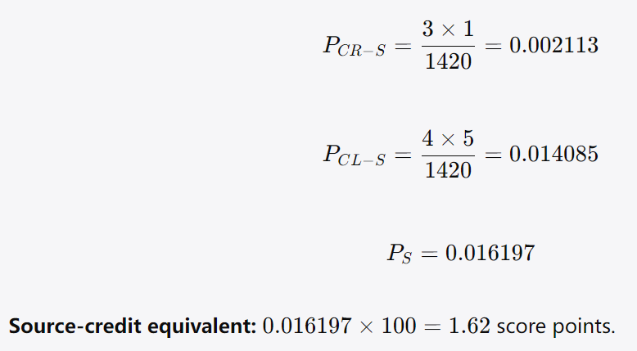

3. Translation Quality Scores
3.1 Error counts by text
Text | CR errors | CL Layer B errors | Layer A diagnostic errors
ERT | 3 | 5 | Diagnostic only; see below
run2 | 3 | 14 | Diagnostic only; see below
ragrun2 | 6 | 11 | Diagnostic only; see below
3.2 Raw target penalties
ERT
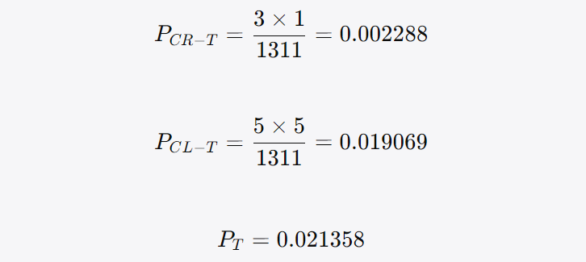

run2
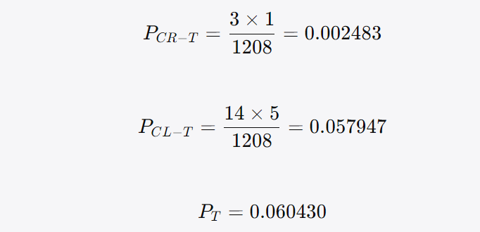

ragrun2
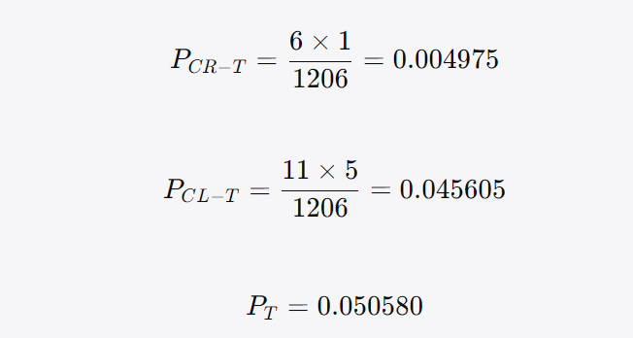

3.3 Source-credited TQ scores
Text | Target penalty | Source credit | Net penalty | TQ score
ERT | 0.021358 | 0.016197 | 0.00516 | 99.48
run2 | 0.06043 | 0.016197 | 0.044233 | 95.58
ragrun2 | 0.05058 | 0.016197 | 0.034382 | 96.56
4. Interpretation
4.1 Where RAG helped RAG appears to improve several areas of concept translation and discourse organization: 人伦 / renlun run2: “human relationships (lun)” under-translates the compound 人伦. ragrun2: “renlun—human relations” correctly recognizes the metalinguistic compound. This is a clear RAG gain in CR-1 / CR-6.
差序 run2 uses “differentiated sequence” and “differential gradations,” which are intelligible but less terminologically stable. ragrun2 uses “differential ordering/order,” closer to the codebook’s preferred handling. RAG improves CR-1 / CR-2 / CR-3 here.
Paragraph ② reader engagement Both LLM translations outperform ERT by preserving: “To us today…” “how can…?” This keeps both the reader perspective and the rhetorical question. RAG does not uniquely improve over run2 here, but both LLMs outperform ERT on CG2-526, CG2-539, and CG2-540.
Transition marker 其实 run2: “Yet…” wrongly introduces contrast. ragrun2: “In fact…” correctly marks explanatory correction. This is a clear RAG gain under CG2-527 / CL-B6.
Contrast marker 孔子呢？不然 ragrun2: “But Confucius was not like this” is more explicitly contrastive than run2’s “Confucius was not so.” Both are acceptable, but RAG is rhetorically smoother.
Mo Di Both LLMs preserve Mo Di, whereas ERT omits him. This matters because the final sentence completes the tripartite contrast: Confucius vs. Jesus vs. Mo Di. Both LLM outputs therefore improve over ERT on CG2-424 and CG2-514.
4.2 Where RAG did not help, or made things worse
RAG also introduces or fails to correct several important problems: 自我主义 mistranslated as “egoism” This is the most important RAG regression. The codebook requires egocentrism, not egoism. “Egoism” risks suggesting ethical selfishness, while Fei’s 自我主义 is a structural, self-centered relational principle. This affects CG2-410 and diagnostically weakens CG2-505–507.
推 loses pinyin marking run2: “extend (tui)” correctly identifies the conceptual operator. ragrun2: “the word ‘extend’” omits tui. Since 推 is a key operative concept in the concept system, this is a RAG loss under CG2-405.
愈薄 literalized as “thinner” ragrun2 says “the thinner they become.” The codebook explicitly warns against translating 愈薄 as “thinner,” because the metaphor concerns social-relational attenuation, not physical thinness. run2 is better: “more attenuated.” RAG fails under CG2-518.
Classical phrase 此其不可得与民变革者也 ragrun2: “cannot be changed together with the people.” This is misleading and awkward. run2: “cannot be altered among the people” is acceptable. RAG introduces a CR error under CG2-419.
伦也，水文相次有伦理也 ragrun2: “have order.” This weakens the 伦/沦/伦理 metalinguistic chain. run2 preserves lunli. RAG loses part of the wordplay under CG2-417.
Self-mention problems remain Both run2 and ragrun2 retain problematic “our/we” formulations in paragraph ② and paragraph ④. RAG does not reliably adjust Chinese in-group authorial voice for English readers.
Source-defect remedies not supplied Both LLMs fail to add: the full gloss for 五伦; Zigong’s identity as Confucius’s disciple; the precise Mencius source. These are areas where ERT, except for the Mencius source, performs better.
4.3 Where ERT itself fails
差序 ERT does not consistently render standalone 差序 as “differential order/ranking.” It leans toward “discrete circles” / “differential mode of association,” which is better suited to 差序格局. Error: CG2-403.
Mencius citation source ERT says “Mencius even praised…” but does not identify the specific textual source. Error: CG2-305.
Paragraph ② rhetorical question and reader engagement Source: “在我们现在读来，…怎能…？” ERT: “Some may wonder why…” This converts direct reader engagement and rhetorical question into detached third-person phrasing. Errors: CG2-526, CG2-539, CG2-540.
自我主义 self-mention ERT uses “for us, there is only egocentrism,” which the codebook marks as a fail because it risks carrying source-side Chinese in-group “we/us” into the English reader context. Error: CG2-543.
Mo Di omission ERT omits “中国的墨翟.” This is both a proper-name omission and an argument-grounds omission, because Mo Di completes the final comparison. Errors: CG2-424, diagnostic CG2-514.
5. Uncertain / Borderline Items for Human Experts' Final Judgement
ID | Text | Issue requiring judgement
CG2-403 | run2 | “differentiated sequence” is conceptually close to 差序, but less terminologically stable than “differential order/ranking.” I counted it as an error because the codebook explicitly rejects “graded/ranked sequence/arrangement,” and run2’s phrase resembles that pattern.
CG2-405 | ragrun2 | It uses “extend” correctly but omits pinyin tui. I counted this as an error because the codebook requires recognition of the metalinguistic status of 推.
CG2-413 | run2/ragrun2 | “constitutionalism” versus “constitutionality.” I treated both as acceptable because they preserve the Western political concept and remain symmetrical with equality. If strict adherence to ERT is desired, these could be penalised.
CG2-414 | ragrun2 | “humanity” for 仁 can be ambiguous, but co-text also uses “humane.” I treated as acceptable.
CG2-416 | run2/ragrun2 | “gentleman / petty person/man” is acceptable if one allows established Analects-style terminology, though it is less explicit than “noble person / mean person.”
CG2-519 | run2/ragrun2 | I counted both as CL-B1 errors because some ten-item pairings lose paired form. A more lenient coder might mark them acceptable because all ten items are present.
CG2-532 | ragrun2 | “This is a very good metaphor…” lacks “in fact/actually” but has “very.” I treated it as acceptable. A stricter application would count an error.
CG2-533 | run2 | “Confucius was not so” is terse but contextually contrastive. I treated it as acceptable.
CG2-542 | run2/ragrun2 | I counted run2 as error because of “we do not have,” but treated ragrun2 as acceptable because “In traditional Chinese thought” restricts the referent. This distinction is debatable.
CG2-535 | run2/ragrun2 | I counted both as errors for not adding ERT’s Western-pattern bridge. Since this bridge is absent from the source, a stricter source-faithfulness view might not penalise the LLMs; however, the codebook explicitly expects this remedy.
6. Human Expert A's Final Judgement
1. CG2‑403 (run2 "differentiated sequence"): run2 fails here. Please penalize under CR— severity multiplier ×1.
2. CG2-405 (ragrun2): ragrun2 fails here. Please penalize under CR— severity multiplier ×1.
3. CG2-413 (ragrun2): ragrun2 is acceptable. Do not penalize.
4. CG2-413 (run2): run2 is acceptable. Do not penalize.
5. CG2-414 (ragrun2): ragrun2 fails here. Please penalize under CR— severity multiplier ×1.
6. CG2-416 (run2): run2 fails here. Please penalize under CR— severity multiplier ×1.
7. CG2-416 (ragrun2): ragrun2 is acceptable. Do not penalize.
8. CG2-519 (run2): run2 fails here. Please penalize under CL— severity multiplier ×5.
9. CG2-519 (ragrun2): ragrun2 fails here. Please penalize under CL— severity multiplier ×5.
10. CG2-532 (ragrun2): ragrun2 fails here. Please penalize under CL— severity multiplier ×5.
11. CG2-533 (run2): run2 fails here. Please penalize under CL— severity multiplier ×5.
12. CG2-542 (run2): run2 fails here. Please penalize under CL— severity multiplier ×5.
13. CG2-542 (ragrun2): ragrun2 fails here. Please penalize under CL— severity multiplier ×5.
14. CG2-535 (run2): run2 fails here. Please penalize under CL— severity multiplier ×5.
15. CG2-535 (ragrun2): ragrun2 fails here. Please penalize under CL— severity multiplier ×5.
Revised 3. Translation Quality Scores
3.1 Revised raw target penalties
ERT Unchanged:
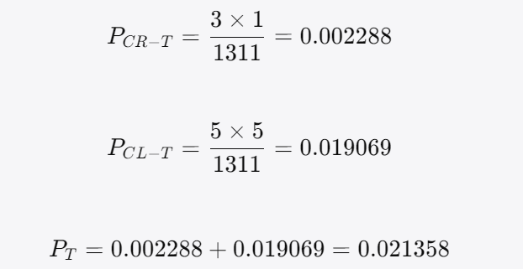

run2 Revised:
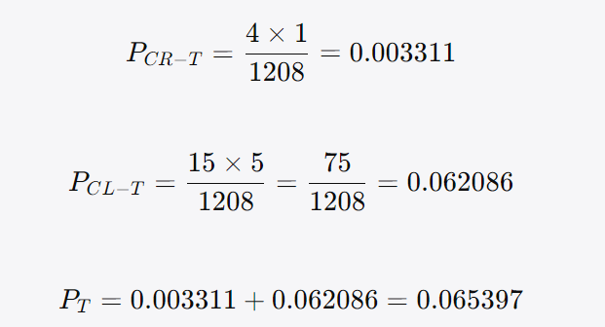

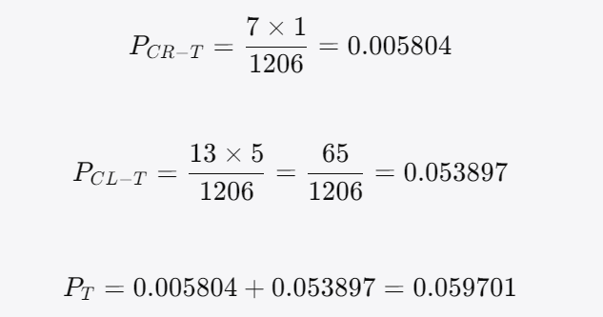
ragrun2 Revised:

3.2 Revised score table
Text | CR errors | CL errors | Target penalty | Source credit | Net penalty | Revised TQ score
ERT | 3 | 5 | 0.021358 | 0.016197 | 0.00516 | 99.48
run2 | 4 | 15 | 0.065397 | 0.016197 | 0.0492 | 95.08
ragrun2 | 7 | 13 | 0.059701 | 0.016197 | 0.043504 | 95.65
Revised 4. Interpretation
4.1 Where RAG helped
Better handling of 人伦 / renlun RAG clearly improves the treatment of 人伦. run2: “human relationships (lun)” ragrun2: “renlun—human relations” The RAG version better recognizes that 人伦 is not merely a contextual use of lun, but a compound designation participating in the passage’s metalinguistic discussion of 伦/沦/仑. This improves performance under CR-1 and CR-6. This is one of the clearest terminology-level gains from RAG.
Better handling of 差序 RAG also improves the treatment of standalone 差序. run2: “differentiated sequence” ragrun2: “differential ordering,” “differential order” Your final judgement confirms that run2’s “differentiated sequence” fails and should be penalised. By contrast, ragrun2’s “differential ordering/order” better captures 差序 as an ordering principle rather than merely a sequence. This is a meaningful improvement in Concept Representation, especially under CR-1, CR-2, and CR-3.
Better transition marker for 其实 RAG improves the paragraph ② transition marker 其实. run2: “Yet in our traditional social structure…” ragrun2: “In fact, in our traditional social structure…” The source’s 其实 functions as an explanatory-corrective marker, not a simple contrastive “yet.” The RAG version more accurately signals that Fei is resolving the apparent puzzle posed in the preceding rhetorical question. Thus, ragrun2 performs better on CG2-527 / CL-B6.
Better handling of 孔子呢？不然 RAG is also better than run2 on 孔子呢？不然. run2: “Confucius was not so.” ragrun2: “But Confucius was not like this.” According to your final judgement, run2 fails here and should be penalised. Ragrun2 more clearly marks the contrastive turn and preserves the rhetorical function of the source’s question-answer pivot. Thus, RAG helps on CG2-533 / CL-B6.
Better handling of self-mention in one location, but not consistently For CG2-542, your final judgement is that both run2 and ragrun2 fail. Therefore, RAG does not resolve the self-mention problem in paragraph ④. However, compared with run2, ragrun2 is somewhat less overtly problematic in wording because it begins with “In traditional Chinese thought…,” whereas run2 says “In traditional Chinese thought, we do not have…” The difference is not sufficient to avoid penalty under your final judgement, but it suggests partial movement in the right direction. Overall, RAG shows incomplete improvement on self-mention.
4.2 Where RAG did not help or made the translation worse
Major RAG regression: 自我主义 as “egoism” The most serious RAG failure remains 自我主义 → egoism. run2: egocentrism ragrun2: egoism The codebook requires egocentrism, because Fei’s 自我主义 refers to a self-centered relational structure, not simply a moral doctrine of selfishness or egoistic conduct. This error affects: CG2-410 under CR, the contrast between 自我主义 and 个人主义, the diagnostic integrity of CG2-505, CG2-506, and CG2-507. This is a central conceptual regression introduced by RAG.
RAG loses tui as a metalinguistic keyword For 推 / 推己及人, your final judgement confirms that ragrun2 fails. run2: “extend” (tui) ragrun2: “the word ‘extend’” Although ragrun2 conveys the basic semantic meaning of 推, it fails to mark the Chinese conceptual operator with pinyin. Since the source explicitly discusses the word 推 as a key term in Confucius’s conceptual system, this omission weakens the terminological and metalinguistic representation. Thus, ragrun2 is penalised under CG2-405 / CR-1, CR-2, CR-3. RAG therefore makes this item worse than run2.
RAG literalizes 愈薄 as “thinner” RAG performs worse than run2 on the ripple analogy. run2: “the more attenuated they become” ragrun2: “the more distant and the thinner they become” The source metaphor concerns the weakening or attenuation of social relations as they radiate outward from the self. The codebook explicitly warns against translating 愈薄 as “thinner,” because it over-literalizes the water-ripple image and obscures the conceptual target: relational attenuation. This is a CL-B1 failure under CG2-518.
RAG weakens the 伦/沦/伦理 wordplay For 伦也，水文相次有伦理也, ragrun2 is weaker than run2. run2: preserves lunli ragrun2: “the patterns of water follow one another and have order” The RAG version conveys the general meaning but loses the visible link to 伦理, thereby weakening the metalinguistic chain among 伦, 沦, 仑, and 伦理. This is a failure under CG2-417.
RAG mistranslates 此其不可得与民变革者也 RAG also fails on the classical phrase: run2: “these are things that cannot be altered among the people” ragrun2: “these are things that cannot be changed together with the people” The ragrun2 version is awkward and misleading. It suggests simultaneous change “with the people,” rather than the intended claim that these structural distinctions are not subject to alteration by/among the people. This is a CR failure under CG2-419.
RAG fails on 仁 according to final judgement Your final judgement marks CG2-414 ragrun2 as a failure. The issue is that ragrun2 uses: “humane” “humanity” “method of humanity” While “humane” can be acceptable in some contexts, “humanity” risks generalizing or secularizing 仁 into a broad abstract quality rather than the Confucian virtue of ren / humaneness / benevolence. The ERT’s “benevolent (ren)” and run2’s “humaneness” better preserve the concept’s cultural-philosophical status. Therefore, ragrun2 receives a CR penalty under CG2-414.
RAG does not solve the Zigong, five-relationships, and Mencius-source issues Both LLM translations fail to remedy three source-text deficiencies that the codebook expects translators to address: CG2-302 五伦 Both run2 and ragrun2 translate “five relationships/relations” without listing: monarch and subject, father and son, husband and wife, older and younger brothers, friends. CG2-304 子贡 Both give “Zigong said” but do not identify Zigong as one of Confucius’s disciples. CG2-305 Mencius citation Both mention Mencius but do not identify the specific textual source. These are exactly the kinds of reader-support and evidential-context problems where RAG might have been expected to help, but in this case it did not.
RAG does not solve self-mention problems Your final judgement confirms that both run2 and ragrun2 fail on CG2-542, and both also fail on CG2-543. The problem is the treatment of source-side Chinese in-group forms such as: 在我们中国传统思想里 因为我们所有的是自我主义 In English academic translation, these should generally be reoriented for the target reader, for example: “in Chinese traditional thought…” “because in the Chinese case there is only egocentrism…” “because Chinese traditional thought has only egocentrism…” Both LLM translations retain problematic “we/our” structures, thereby mispositioning the English reader. Thus, RAG does not sufficiently improve CL-B14 self-mention.
4.3 Where ERT itself fails
差序 ERT fails on standalone 差序 because it does not consistently render it as differential order / differential ranking. It tends to fold it into “discrete circles” or “differential mode of association,” which is more appropriate for 差序格局 than for 差序 alone. Error: CG2-403.
Mencius citation source ERT says: “Mencius even praised Confucius…” but does not identify the specific source of the quotation. The codebook requires a fuller evidential reference. Error: CG2-305 / CL-B9.
Paragraph ② rhetorical question and reader engagement The source says: 在我们现在读来，……怎能……相提并论？ ERT renders this as: “Some may wonder why…” This weakens both: the inclusive reader perspective, and the rhetorical question. Errors: CG2-526 / CL-B7 CG2-539 / CL-B15 CG2-540 / CL-B15 Both run2 and ragrun2 outperform ERT here.
Self-mention in paragraph ④ ERT uses: “because, for us, there is only egocentrism” The codebook marks this as a failure because it carries the source-side Chinese in-group “us” into the English target discourse. Error: CG2-543 / CL-B14
Mo Di omission ERT omits: 中国的墨翟 This affects both concept representation and argument logic, because Mo Di completes the final comparative structure: Confucius vs. Jesus, Confucius vs. Mo Di, retractable Confucian extension vs. non-retractable universalist extension. Errors / flags: CG2-424 / CR-1 CG2-514 / CL-A2 diagnostic grounds compromised Both LLM translations outperform ERT on this item.

